Planilha1
Newgate |  | Points(PDG)
 |  | 10
 |  | 10
 |  | 10
 |  | 10
 |  | 10
 |  | 10
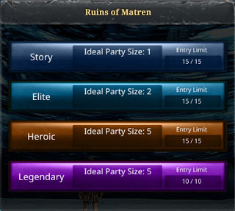
 |  |  |  | 1 POINTS

 |  |  |  | 2 POINTS

 |  |  |  | 3 POINTS

 |  |  |  | 3 POINTS

 |  | Item publicado NO SHOP
Word Boss |  |  | 2 POINTS
PARNA COST | 10 POINTS
Hakanas highlands | 10 POINTS
TRITAELL | 15 POINTS
cloying wastes | 20 POINTS
SANCTUARY | 25 POINTS

